Cover
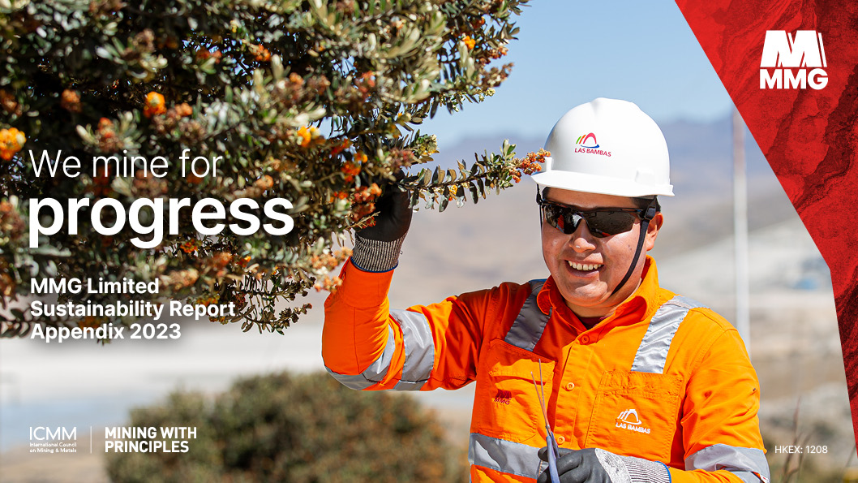

Overview
Overview
MMG 2023 Sustainability Report - ICMM and GRI Content Index, and additional data

The purpose of this 2023 online data workbook is to provide stakeholders with access to MMG's ICMM and GRI Content Indexes, as well as all other sustainability-related data for the reporting period. Additional information and data has been included in this document that was not included in the main report, but should be considered as part of the 2023 MMG sustainability disclosure. The data in this document should be read in conjunction with the MMG 2023 Sustainability Report, available at www.mmg.com

This file includes:
Overview | ICMM Principles | ICMM Performance Expectations | GRI Content Index | Material Topics GRI list | HKEx disclosures - ESG report | 2023 CoE Disclosure

Report boundary and scope In this report, ‘MMG’ refers to MMG Limited and its subsidiaries, unless explicitly stated otherwise. The report covers the activities of MMG’s Head Offices in Melbourne, Australia and Beijing, People’s Republic of China, and all MMG’s mining, exploration and associated activities. Except where specifically stated, our Hong Kong and Vientiane (Lao People's Democratic Republic) offices are not included in this report due to the immaterial nature of their sustainability impacts. All data listed in this report refers to the period from 1 January 2023 to 31 December 2023. Data relating to the previous reporting period has been included where it is comparable and adds useful context. All MMG people numbers are accurate as of 31 December 2023, with MMG contractor numbers averaged for the year. All data is reported on a 100% equity basis.

Reporting approach This report has been prepared with reference to the Global Reporting Initiative’s (GRI) 2021 Sustainability Reporting Guidelines (GRI Standards), the GRI’s G4 Mining and Metals Disclosure, as well as specific GRI indicators as they relate to each of our material issues. The GRI Content Index can be found in this Appendix to the Sustainability Report at www.mmg.com. Our water reporting is aligned with the International Council on Mining and Metals’ (ICMM) - A Practical Guide to Consistent Water Reporting; and we report in line with the Minerals Council of Australia (MCA) Water Accounting Framework. Currency is reported in US dollars, unless stated otherwise. This report has been reviewed and approved by MMG's Governance, Renumeration, Nomination and Sustainability (GRNS) of the Board, and our Disclosure Committee.

Materiality assessment process We periodically conduct a materiality assessment process to ensure we are reporting on the material topics that matter most to our stakeholders. We review feedback from stakeholders through interviews, Executive Committee and Board papers, direct engagement, investor feedback and media reports. In 2023, MMG launched its Sustainability Framework, guided by engagement with our internal and external stakeholders and a thorough review of the market and the jurisdictions in which we operate. The Sustainability Framework was approved by our Executive Committee in late 2022 and endorsed by the board in early 2023, and brings company-wide initiatives and targets together with our external reporting obligations and memberships, to support our sites to align their own sustainabiliyt priorities. The Framework contains 3 pillars, seven focus areas and 17 material topics that align with internal priorities and external reporting requirements. These material topics are then cascaded and reflected in the internal key performance indicators (KPIs) set for relevant ‘Heads of Functions’ that are approved by General Managers. For more information about our Sustainability Framework see the 'Sustainability Framework' tab. We undertook a stakeholder engagement and desktop review for the 2023 reporting period, to review if there had been any material changes to the Sustainabiltiy Framework. This process found no material changes in our reporting or sustainability disclosures. For more information about MMG’s approach to materiality assessment and stakeholder engagement, refer to 'Stakeholder Engagement and Materiality Assessment' tab.

External assurance CECEP (HK) Advisory Company Limited carried out an independent limited assurance procedure over elements of this report, guided by the ICMM Assurance Procedure as per the Independent Assurance Statement on the 'Independent Assurance Statement' tab. This included assurance of our alignment with the requirements of the GRI Standards. MMG rotates its third-party validation through all its operations to ensure a more comprehensive understanding of their alignment to our sustainability practices. For the 2023 year, the assurance was undertaken at our Rosebery and Dugald River sites. The limited assurance focused on three of the 17 material topics identified through our materiality assessment process. The three sustainability pillars (that cover the material topics) selected were chosen through an independent process without MMG participation and include: 1. Supply Chain Resilience 2. Transition to a Lower Carbon Economy 3. Zero Harm and Safety Culture

Additional Reports In addition to MMG's Sustainability Report, MMG also publishes an annual Voluntary Principles Initiative report, Modern Slavery Statement in accordance with the reporting requirements as set out by the Australian Government, and an Environment, Social and Governance (ESG) section within our Annual Report to meet our HKEx listing requirements. For information about those reports, as well as to view the data and disclosures included, please visit MMG.com.

Contents
Overview

CONTENTS
 | Title | Content | Link
MMG | Overview | Purpose of this workbook | Overview
 | Glossary | Terms and definitions | Glossary
 | Sustainability Framework | Covers sustainability pillars, focus areas and material topics | Sustainability Framework
 | Stakeholder Engagement and Materiality Assessment | Stakeholder Engagement and Materiality Assessment | Engagement and Materiality
 | ESG KPIs | ESG KPIs per material topic | ESG KPIs
GRI | GRI Content Index | Location of GRI disclosures within this workbook | GRI Content Index
ICMM | ICMM Principles and Position Statements | ICMM Mining Principles and Position Statements Index | ICMM Principles and Position Statements
 | ICMM Performance Expectations | ICMM Performance Expectations Assessment | ICMM Performance Expectations
People and Communities | Zero Harm and Safety Culture | Health and Safety data | Zero Harm and Safety Culture
 | Diversity and Inclusion | Diversity and inclusion data | Diversity and Inclusion
 | Employee Value Proposition | Training and education data | Employee Value Proposition
 | Respect for Communities & Indigenous People | Respect for Communities & Indigenous People data | Respect for Communities & Indigenous People
 | Local and Regional Development | Local and Regional Development data | Local and Regional Development
Environmental Stewardship | Biodiversity and Land Management | Biodiversity and Land Management data | Biodiversity and Land Management
 | Responsible Water Consumption | Responsible Water Consumption data | Responsible Water Consumption
 | Tailings and Waste Management | Tailings and Waste Management data | Tailings and Waste Management
 | Impacts of Climate Change | Impacts of Climate Change data | Impacts of Climate Change
 | Transition to a Lower Carbon Economy | Transition to a Lower Carbon Economy data | Transition to a Lower Carbon Economy
Trusted and Responsible Producer | Business Ethics and Transparency | Business Ethics and Transparency data | Business Ethics and Transparency
 | Trust and Geopolitical Risk | Trust and Geopolitical Risk data | Trust and Geopolitical Risk
 | Privacy and Cyber Security | Privacy and Cyber Security data | Privacy and Cyber Security
 | The Minerals We Mine | The Minerals We Mine data | The Minerals We Mine
 | Value Chain Sustainability | Value Chain Sustainability data | Value Chain Sustainability
 | Supply Chain Resilience | Supply Chain Resilience data | Supply Chain Resilience
Other Reporting Disclosures | Hong Kong Stock Exchange | Hong Kong Stock Exchange disclosures | Hong Kong Stock Exchange
 | Church of England | 2023 CoE disclosures | 2023 CoE disclosure
 | TCFD | TCFD data | TCFD
 | GISTM | GISTM data | GISTM
Assurance | Independent Assurance Statement | Independent Assurance Statement | Independent Assurance Statement
 | Las Bambas 2023 Injury Data | Las Bambas 2023 Injury Data Verification Statement | Las Bambas 2023 Injury Data

Glossary
Overview

GLOSSARY
AMD | acid and metalliferous drainage
ANCOLD | Australian National Committee on Large Dams
ASM | artisanal and small-scale mining
BEPS | base erosion and profit shifting
CAE | Employee Attention Centre
CDA | Canadian Dam Association
CMC | China Minmetals Corporation
CRC TIME | Cooperative Research Centre for Transitions in Mining Economies
DRC | Democratic Republic of the Congo
EITI | Extractive Industries Transparency Initiative
ESG | Environmental, Social and Governance
FAP | Farmer’s assistance program
FDL | Functional Discipline Lead
FEC | Federation of Businesses of Congo
FPIC | Free, Prior and Informed Consent
FTO | field task observations
GL | gigalitres
GISTM | Global International Standard on Tailings Management
GRI | Global Reporting Initiative
GRI Standards | Global Reporting Initiative’s 2016 Core Sustainability Reporting Guidelines
GST | goods and service tax
ha | hectare
HKEx | Hong Kong Stock Exchange
ICA | International Copper Association
ICAM | Incident Cause Analysis Method
ICMM | International Council on Mining and Metals
...

Sustainability Framework
Overview
...
People and Communities | Environmental Stewardship | Trusted and Responsible Producer
...

Engagement and Materiality
Overview
...

Material Topics-ESG KPIs
Overview
...
2023 PERFORMANCE
• SEEE FY was 40 against a target of 29 for the year. • TRIF FY is 1.97 (last year was 1.25) • Mental Health Las Bambas In Las Bambas, the ELSA - Workplace Harassment Prevention Program has been carried out, which allows raising awareness about the importance of the involvement of all workers in eradicating harassment in every sense. Las Bambas has organized workshops for the care and well-being of the mental health of all employees, such as: Laughter Therapy Workshop, Emotional Management in Complex Situations, Positive Attitude Towards Change. Kinsevere Communications sent to different department to invite employees with unstable/ irregular chronic medical conditions. Medical awareness on chronic diseases and sensitizing about WHO health days. Aust Ops Aus Ops – Employee Assistance Program (EAP) services (plus the Psychosocial Safety initiative was rolled out by Group SHE) Dugald River – EAP, Mates in Mining, on site face to face counselling post incident Rosebery – EAP, Psychosocial safety assessment rolled out by site SHEC Department Melbourne Office Workplace Psycosocial Safety Assessment completed by Group SHE and Group Organisational Development/HR Head Office celebrated events related to RUOK?Day, Women's Health and Men's Day.
MMG female representation overall, at the end of 2023, is currently 14.9% with a target of 15.10% Please refer to the 'Diversity and Inclusion' tab for this information.
• Employee Engagement - H1 was 86.4%, H2 was 72.8%. • 84.7% of employees who participate in the My Contribution process fully completed in 2023
...

GRI Content Index
Overview

Global Reporting Initiative (GRI) Index

MMG has reported with reference to the GRI Standards for the period of 1 January 2023 to 31 December 2023.

MMG material topic | GRI Standard | Description | MMG response
 | General Disclosures
 | GRI 1: Foundation 2021
 | Requirement 1 | Apply the reporting principles a. The organization shall apply all the reporting principles specified in section 4 of GRI 1: Foundation 2021. | This is available throughout the Report and the 2023 Appendix.
 | Requirement 2 | Report the disclosures in GRI 2: General Disclosures 2021 a. The organization shall report all disclosures in GRI 2: General Disclosures 2021. | This has been made and completed as set out in this tab, rows 22 - 52.
 | Requirement 3 | Determine material topics a. determine its material topics; b. review the GRI Sector Standard(s) that apply to its sector(s) and: i. determine whether each topic in the applicable Sector Standard(s) is a material topic for the organization; ii. list in the GRI content index any topics from the applicable Sector Standard(s) that the organization has determined as not material and explain why they are not material. | This has been completed: a. information available in 'Material topics - ESG KPIs' tab b. information available in this GRI Content Index, as set out below.
...

ICMM Principles & Position Stat
Overview

International Council on Mining and Metals (ICMM) - Mining Principles
This table identifies the ICMM’s 10 Mining Principles and Position Statements, and MMG's response to the same.
Further information regarding our alignment with the ICMM’s Mining Principles and Position Statements is progressively updated on www.mmg.com.
...

ICMM Performance Expectations
Overview

International Council on Mining and Metals (ICMM) - Mining Principles
On a yearly basis, all of MMG's sites are required to undergo a site based self-assessment. This includes evaluating the implementation of the performance expectations within each site. We also verify the existence and integrity of systems and practices related to performance expectations; this ensures that each site’s implementation aligns with the standards as expected by MMG. An independent third party validate the reasonableness and authenticity of assertions made during self-assessment. MMG rotates the third party validation, ensuring each site is audited every 3 years (the Australian sites have had their assurance conducted concurrently due to the similarities in operations). MMG publicly discloses their performance expectation validation activities annually - please see table below.

Key: | ↑ Meets | ↔ Partially Meets | ↓ Does Not Meet | • N/A
ICMM's Mining Principles (PEs) | Self-Assessment Sites |  |  |  |  | Comments
 | DUGALD RIVER | KINSEVERE | LAS BAMBAS | ROSEBERY | MMG CORPORATE

PRINCIPLE 1: Apply ethical business practices and sound systems of corporate governance and transparency to support sustainable development.
...

Zero Harm and Safety Culture
Overview
People and Culture

ZERO HARM AND SAFETY CULTURE
We are committed to ensuring our employees go home from work in the same physical and mental health every day. We value and manage the health, safety and security of our employees and contractors, including occupational health exposures, and strive for a zero-fatality workplace. To do this, we strive to embed a strong safety and security mindset across all our operations and jurisdictions, underpinned by supportive leadership, behaviours, cultures and processes.

Number of Recordable Work-related Injuries
 | MMG Employees |  | Non Employees
Year | 2022 | 2023 | 2022 | 2023
Dugald River | 0 | 8 | 6 | 9
Kinsevere | 2 | 0 | 4 | 11
Las Bambas | 2 | 6 | 8 | 22
...

Diversity and Inclusion
Overview
...
Permanent (#) | Temporary (#) | Permanent % | Temporary % | Total Workforce
500 | 357 | 58.33 | 41.67 | 857
897 | 3,874 | 18.8 | 81.2 | 4,771
...

Employee Value Proposition
Overview
People and Culture

EMPLOYEE VALUE PROPOSITION
We are committed to building lasting partnerships with our people and ensuring they have the right capabilities and development opportunities to deliver on our strategy. We invest in opportunities to train and engage our people, supporting their professional development, and we ensure the cultures and practices across our operations are underpinned by a strong focus on human rights. *Headcount for MMG permanent employees is at 31 December 2023. For temporary, this is an average of the total temporary workforce throughout the course of the year.

2023 Total Workforce by Employment Type and Site
Site | Permanent (#) | Temporary (#) | Direct % | Temporary % | Total Workforce
Dugald River | 500 | 357 | 58.33 | 41.67 | 857
Kinsevere | 897 | 3,874 | 18.8 | 81.2 | 4,771
Las Bambas | 2,578 | 5,695 | 31.16 | 68.84 | 8,273
...

Communities & Indigenous People
Overview
People and Culture

RESPECT FOR LOCAL COMMUNITIES AND INDIGENOUS PEOPLES
We work hard to foster relationships with our host communities based on trust, mutual respect and ongoing engagement. The participation of our host communities, local stakeholders and Indigenous Peoples in planning processes and decisions that impact their lives are key to our site engagement and social development plans. Our strong commitment to protecting human rights, Indigenous rights and cultural heritage is reflected in our processes and membership to organisations including the Voluntary Principles Initiative, and we encourage regular feedback through both informal conversations and formal mechanisms to improve our processes and remedy impacts as they arise.

Total Grievances 2023 by Case Type
 | Kinsevere | Las Bambas | Rosebery
Compensation and financial benefits | 1
Community health and safety |  |  | 6
Damage to private property | 5 | 24
...

Local and Regional Development
Overview
People and Culture

LOCAL AND REGIONAL DEVELOPMENT
We acknowledge the role we have in contributing to the social and economic development of the communities and regions near our operations. The activities we undertake, which include education, healthcare, economic and business support, infrastructure development and agriculture programs, support the long-term sustainability of the regions in which we operate. Our operations also provide business and supply chain opportunities for local businesses and direct and indirect employment for host communities, which help to support and promote livelihoods.

2023 SDG (USD)
Site |  | Dugald River | Kinsevere | Las Bambas | Rosebery | Total
 | SDG1: No Poverty | $5,309.6 | $495,666.0 | $15,387,871.0 | $17,156.7 | $15,906,003.3
 | SDG2: Zero Hunger | $3,318.5 | $309,578.0 | $3,038,102.3 | $25,220.6 | $3,376,219.4
 | SDG3: Good Health and Wellbeing | $106,125.6 | $267,322.0 | $3,506,081.9 | $132,501.1 | $4,012,030.6
 | SDG4: Quality Education | $13,632.4 | $945,490.0 | $6,847,480.5 | $19,386.7 | $7,825,989.5
...

Biodiversity & Land Management
Overview
Environmental Stewardship

BIODIVERSITY AND LAND MANAGEMENT
We recognise our role as temporary stewards of the land we mine and surrounding tenements, and the responsibility we carry to care for it for future generations. We strive to minimise our impacts as much as possible, and where we do have a footprint we enact comprehensive plans to record and preserve the natural landscape and local flora and fauna. This enables us to manage the land throughout the life of the operation, in close coordination with local stakeholders where possible.

2023 MMG Land Use
Calendar Year |  | 2022 | 2023
Consumption Material | Site | Area (Ha) | Area (Ha)
Biodiversity - 1 Total Mine Land Lease Area | Dugald River | 3,196.07 | 3,196.07
 | Kinsevere | 2,123.88 | 2,123.88
...

Responsible Water Consumption
Overview
Environmental Stewardship

RESPONSIBLE WATER CONSUMPTION
We recognise that water is a strategically important resource with social, economic and environmental value. As such, it requires rigorous management to ensure that we undertake efficient and responsible withdrawal, consumption and discharge. This ensures not only an efficient operation but minimises our impacts on other users within the catchment, including upstream and downstream communities and the environment. We seek to continuously improve our water management processes to ensure best practice across all our operations.

Water

Total Water Withdrawal by Source from Area
Site | GRI type | Consumption
Dugald River | Total | 2,549.00
...

Tailings and Waste Management
Overview
Environmental Stewardship

TAILINGS AND WASTE MANAGEMENT
We effectively and proactively manage tailings infrastructure and the waste produced by our operations across the full asset lifecycle. We acknowledge the challenges and complexities of tailings and waste management, and as such we ensure the design, communication and management of our tailings facilities, critical controls and risk assessments for catastrophic failure and reporting outcomes of design, operational and risk reviews are comprehensive and world-class. We take into consideration the safety, environmental and social risks of tailings management and engage with our host communities, governments, regulators and other stakeholders to ensure concerns are included into planning processes.

Mineral waste generated(tonnes)
 |  | 2022 | 2023
Mineral waste type | Site | Total | Total
NAF Waste Rock mined | Dugald River | 167,600.00 | 319,799.00
 | Kinsevere | 6,390,378.26 | 15,392,478.80
 | Las Bambas | 116,206,595.00 | 122,908,814.33
...

Impacts of Mine Closure
Overview
...

Impacts of Climate Change
Overview
Environmental Stewardship

IMPACTS OF CLIMATE CHANGE
We are aware of the impacts and risks climate change poses for our operations, as well as the communities and regions in which we are based. We work closely with our local stakeholders and people to map these impacts and develop comprehensive resilience plans for our operations, to ensure infrastructure and host communities are prepared for any potential impacts that may arise from these risks.

Energy

Energy consumption

2023 Total fuel consumption from non-renewable sources (GJ)
...

Transition-Lower Carbon Economy
Overview
Environmental Stewardship

TRANSITION TO A LOWER CARBON ECONOMY
We play a key role in the transition to a low carbon future by providing the minerals required to decarbonise economies and develop green technologies to replace fossil fuels. Our operations have detailed energy assessments and reduction targets to identify and reduce our emissions and energy intensity, looking for efficiencies and alternate energy sources to progressively replace fossil fuels where possible.

Emissions

Total greenhouse gas (GHG) emissions (tonnes CO2-e)
Site |  | Direct GHG emissions | Indirect GHG emissions | Total
Dugald River | 2023 | 18,542 | 61,502 | 80,044
...

Business Ethics & Transparency
Overview
Trusted and responsible producer

BUSINESS ETHICS AND TRANSPARENCY
Our company values, strong business ethics and approach to transparency underpins the way we work and grow our operations across complex jurisdictions. We maintain strong corporate governance, business practices and standards, disclose this publicly in corporate reporting processes and adhere to all national and regional requirements. To do this, we prioritise ongoing, culturally appropriate engagement with our key stakeholders, including investors.

Anti-corruption

Anti-corruption Policies and Procedures Communication & Training
...

Trust and Geopolitical Risk
Overview
...

Privacy and Cyber Security
Overview
...

The Minerals We Mine
Overview
Trusted and responsible producer

THE MINERALS WE MINE
We are proud that the minerals we mine directly contribute to meeting the global population’s increasing need for new, sustainable technologies and infrastructure. This includes the increasing demand for clean energy technologies including electric vehicles, solar power and batteries. A future where net zero is achieved can only be done with key commodities, and ensuring this is possible is part of our vision.

PRODUCTION TOTALS BY SITE BY YEAR (tonnes)
 |  | 2022 | 2023
Site Name | Metals Produced | Total | Total
Rosebery | Zinc Concentrate | 51,155.86 | 51,626.14
 | Lead Concentrate | 18,076.59 | 19,147.45
 | Gold Dore | 17,990.15 | 18,336.15
...

Value Chain Sustainability
Overview
Trusted and responsible producer

VALUE CHAIN SUSTAINABILITY
We are mindful of the way the materials on our tenements are extracted, processed and ultimately consumed, and our role in the Circular Economy. This includes being aware of the socioeconomic impacts of artisanal and small-scale mining that take place near some of our operations, and seeking to minimise the risks to those exposed to those practices. We embed innovative processes into our business to reduce our impacts, and respect human rights across our operations and supply chain through onboarding processes and feedback mechanisms.

Procurement practices

% of Spending on Local Suppliers | Amount of Spending on Local Suppliers (USD)
...

Supply Chain Resilience
Overview
Trusted and responsible producer

SUPPLY CHAIN RESILIENCE
We engage with our partners to promote supply chain resilience across the globe. We seek to understand how our supply chain involves both upstream and downstream suppliers and work to minimise potential impacts through training, awareness and initiatives. Our operations provide significant support to local economies and businesses, and we give priority where possible to training and procuring from local businesses to ensure the long-term economic viability of the regions where our operations are located.

Local supply definition and identification
 | Zone 1 |  | Zone 2 | Zone 3
Site | City | Postcode | Region | Country
...

HKEx disclosures - ESG report
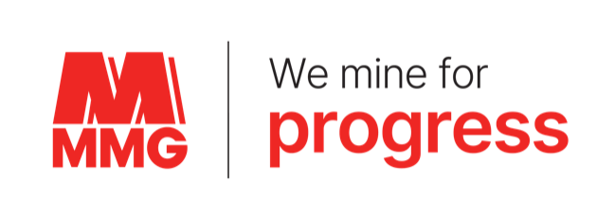
Overview

Hong Kong Stock Exchange
The Hong Kong Stock Exchange (HKEx) takes the leading role in regulating all companies seeking admission to Hong Kong markets and supervising these companies once listed. The Hong Kong Securities and Futures Commission (the SFC) performs a lead role in market regulation and certain areas of listing regulation and a complementary role through the exercise of its statutory powers of investigation and enforcement in cases involving corporate misconduct. HKEx’s listing-related functions are discharged by the Listing Division and the Listing Committee and fall into two broad categories: (a) the establishment and promulgation of rules (the Listing Rules) prescribing listing requirements for listing applicants and listed issuers; and (b) the fair and impartial administration of the Listing Rules. The SFC must approve all changes to the Listing Rules and policy decisions that have mandatory effect or general application. Appendix 27 of the HKEx Listing Rules, titled the Environmental, Social and Governance (ESG) Reporting Guide,outlines all legally mandated requirements for content and data disclosures that require publication on theHKEx. In total, in 2023, there are 56 disclosure requirements.
...

2023 CoE Disclosure
Overview

 | Mine Tailings Disclosure Table - MMG Ltd
Overview question:
Please
a) Provide an overview of your tailngs management system, and how you manage risk
b) Confirm whether your approach to tailings management has changed or will change in light of the recent tailings disasters at Brumadinho, Mariana, Mt Polley and others. Have you, for example, reviewed all tailings storage facilities with upstream dam construction, and taken steps necessary to protect local communities and the environment e.g. buttressing, evacuation?
a) MMG manages Tailings Storage Facilities (TSF) and Water Storage Dams as a material risk at the Enterprise level. Our TSF management processes are governed our Tailings Storage Facilities and Water Storage Dam Standard. This Standard identifies Critical Controls for the planning and construction, operation and maintenance, management of change, response management, inspection and assurance and accountabilities of dams, all of which are in line with the Australian National Committee on Large Dams (ANCOLD) requirements and meet or exceed the legal requirements of the relevant jurisdiction. MMG applies critical risk design and execution requirements that are based on risk assessment process reviewed annually by a risk control owner. These aspects focus on operating and non-operating TSFs. The risk management and control execution measures are subject to internal, external and independent audit.
b) There has been increased scrutiny of the integrity of TSFs from both within and external to industry. Recent failures of large upstream constructed dams have been the primary driver for this concern. The majority of MMGs TSFs including Las Bambas are engineered rock and earthfill structures constructed using downstream construction methods. MMG have committed to conforming to the Global Industry Standard on Tailings Management (GISTM) which has the primary intent of preventing catastrophic failure of TSFs. MMGs approach to governance of TSFs fully aligns to the GISTM, including the use of an Independent Tailings Review Boards and the empowerment of Engineer's of Record and Responsible Tailings facility Engineers at each of our TSFs. We have established Accountable Executives for all of our TSFs. We work towards continually improving our operations to further refine and strengthen our TSF controls, benchmarking them with the input from the input from our Independent Reviewers and annual performance audits as defined by ANCOLD. We have established emergency response plans at all of our TSFs.

The remaining questions should be answered by listing all of the tailings facilities you are responsible for or associated with, per the disclosure letter of the 5th April 2019.

 | 1. "Tailings Dam" Name/identifier | 2. Location | 3. Ownership | 4. Status | 5. Date of initial operation | 6. Is the Dam currently operated or closed as per currently approved design? | 7. Raising method | 8. Current Maximum Height | 9. Current Tailings Storage Impoundment Volume | 10. Planned Tailings Storage Impoundment Volume in 5 years time. | 11.Most recent Independent Expert Review
Instructions to support completion | Please identify every tailings storage facility and identify if there are multiple dams (saddle or secondary dams) within that facility. Please provide details of these within question 20. | Please provide Long/Lat coordinates | Please specify: Owned and Operated, Subsidiary, JV, NOJV, as of March 2019 | Please specify: Active, Inactive/Care and Maintenance, Closed etc. We take closed to mean: a closure plan was developed and approved by the relevant local government agency, and key stakeholders were involved in its development; a closed facility means the noted approved closure plan was fully implemented or the closure plan is in the process of being implemented. A facility that is inactive or under C&M is not considered closed until such time a closure plan has been implemented. | (date) | Yes/No. If 'No', more information can be provided in the answer to Q20 | Note: Upstream, Centerline, Modified Centreline, Downstream, Landform, Other. | Note: Please disclose in metres | Note: (m3 as of March 2019) | (m3 as planned for January 2024) | (date) For this question we take ‘Independent’ to mean a suitably qualified individual or team, external to the Operation, that does not direct the design or construction work for that facility.
 | Las Bambas TSF1 | 14 degrees 5'20"S 72 degrees 19'2"W | Owned and Operated | Active | 2016 | Yes | Downstream | 260m | 780Mm3 | 363.4Mm3 | Aug-23
 | Kinsevere TSF1 | 11 degrees 21'45"S 27 degrees 33'18"E | Owned. Operated by previous owner, Anvil Mining | Inactive | 2006 | No - study underway to reclaim | Upstream | -10 | 1.1Mm3 | 0Mm3 | Sep-23
 | Kinsevere TSF2 | 11 degrees 22'35"S 27 degrees 34'30"E | Owned and Operated | Active | 2011 | Yes | Downstream | 40m | 30Mt | 32.0Mm3 | Sep-23
 | Rosebery Bobadil Dam | 41 degrees 45'3"S 145 degrees 30'47"E | Owned and Operated since acquisition in 2009 | Active | 1974 | Yes | Combined upstream and downstream embankment | 37m | 12.6Mm3 | 24.6Mm3 | May-23
 | Rosebery 2/5 Dam | 41 degrees 47'11"S 145 degrees 32'32"E | Owned and Operated | Active. This dam is constructed on historic tailings dams where the date of commissioning is unknown, (is believed to be between 1950 and 1970 based on historical records), and was undertaken prior to MMG ownership. | 2018 | Yes | Predominately downstream with upstream sections | 29m | 3.3Mm3 | 5.2Mm3 (plus unknown exisiting) | May-23
 | Dugald River TSF1 | 20 degrees 13'26"S 140 degrees 07'45"E | Owned and Operated | Active | 2018 | Yes | Downstream for future raises - currently a single stage construction | 37m | 11.1Mt | 36.6Mm3 | Feb-23
...

TCFD
Overview

TASK FORCE ON CLIMATE-RELATED FINANCIAL DISCLOSURES INDEX

 | Disclosure | Additional Guidance | MMG Response
GOVERNANCE | Create structure for board oversight of climate-related risks and opportunities | Formalise processes and frequency by which the board and/or board committees (e.g., audit, risk, or other committees) are informed about climate-related issues | Board is informed of progress towards ESG KPIs on a quarterly basis, which include climate risk & GHG emissions/predictions, via the GNRS committee.
 |  | Document processes used for board consideration of climate-related issues when reviewing and guiding strategy, major plans of action, risk management, annual budgets, and business plans | Climate issues are embedded within the Integrated Business Planning Framework, with specific actions associated with climate change resilience and/or decarbonisation documented in action plans, risk controls and budgets.
 |  | Evidence of how the board monitors and oversees progress against MMG's interim reduction target, long term target and emissions reductions activities | Quarterly meeting of the Board GNRS committee includes a standing agenda item on Sustainability KPIs, which include GHG emissions. ABP climate projections include progress towards achieving interim and long term reduction targets. In addition to this a standalone, deep-dive update and training session for the Board was delivered in late 2023 on MMG's Climate Strategy and progress towards our decarbonisation targets.
 | Climate risks & opportunities at management level | Assign climate-related responsibilities to management-level positions or committees that also inform the board | Board GNRS committee. In addition, corporate level and individual asset business plans include accountabilities for climate-related actions down to the General Manager and Head/Manager level. MMG Standards and WQRs also include accountabilities.
 |  | Draw organisational structure clearly highlighting board/management oversight of climate issues | Organogram at the bottom of this page.
 |  | Document process by which management is informed of climate issues | Management is informed via a variety of processes which include: Strategy and Strategic Development Planning updates, annual risk process, Asset Business Planning output presentations, quaterly ESG KPIs, Sustainability Materialisty Assessment, and Annual/Sustainability Reports.
...
Site (Year/Emissions tCO2e) | Year | Scope 1 GHG | Scope 2 GHG | Scope 3 GHG
Kinsevere | 2023 | 80,336.76 | 1,537.37 | 245,760.91
 | 2022 | 54,455.27 | 8,599.15 | 145,240.00
Rosebery | 2023 | 15,740.83 | 25,685.18 | 153,523.18
 | 2022 | 15,266.55 | 23,661.51 | 159,020.73
Dugald River | 2023 | 18,541.75 | 61,501.98 | 428,881.70
 | 2022 | 15,783.12 | 91,894.30 | 481,507.38
Las Bambas | 2023 | 477,686.34 | 260,204.53 | 2,015,219.27
 | 2022 | 416,472.81 | 206,580.31 | 1,330,909.73

MMG Total emissions 2023
Scope 1 (Fuel) | 592305.68
Scope 2 (Electricity) | 348929.05
Scope 3 (Purchased goods and services & Capital goods) | 439509.23117
Scope 3 (Upstream fuel and energy related activities) | 236870.2022
Scope 3 (Upstream treansportation and distribution) | 220741.39362
Scope 3 (Downstream transportation and distribution) | 39281.152818
Scope 3 (Downstream processing of sold product) | 1906983.0769
Total Emissions 2023 | tCO2e
Scope 1 | 592,305.68
Scope 2 | 348,929.05
Scope 3 | 2,843,385.06

Emissions per cat 2023 | Emissions tCO2e | Percentage
Scope 1 (Fuel) | 592,305.68 | 16%
Scope 2 (Electricity) | 348,929.05 | 9%
Scope 3 (Purchased goods and services & Capital goods) | 439,509.23 | 12%
Scope 3 (Upstream fuel and energy related activities) | 236,870.20 | 6%
Scope 3 (Upstream treansportation and distribution) | 220,741.39 | 6%
Scope 3 (Downstream transportation and distribution) | 39,281.15 | 1%
Scope 3 (Downstream processing of sold product) | 1,906,983.08 | 50%
TOTAL MMG | 3,784,619.79 | 100%

Organisational structure - highlighting board/management oversight of climate issues:

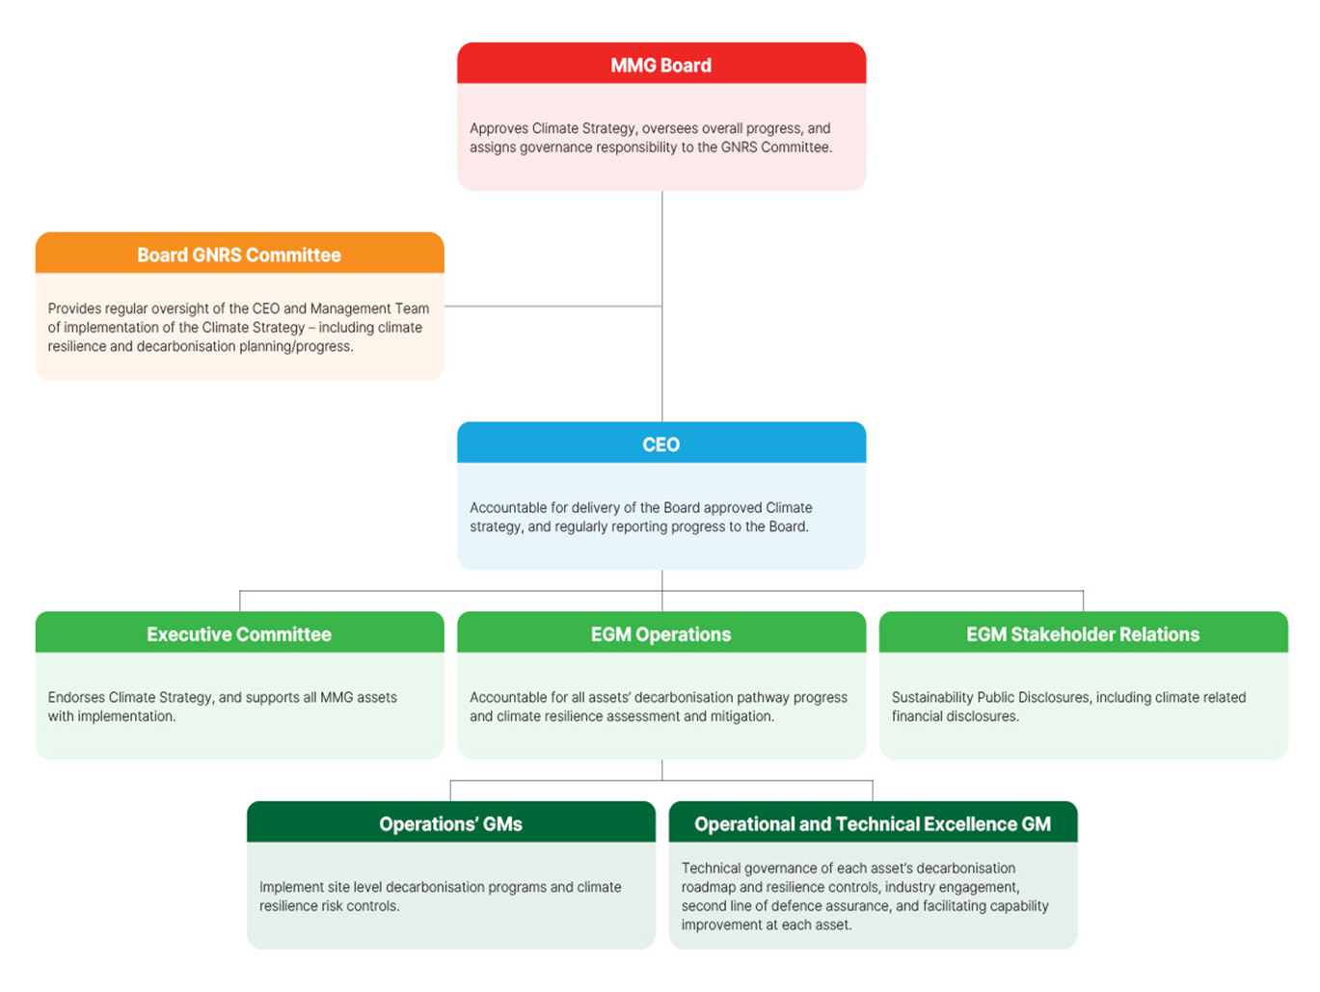

GISTM
Overview

International Council on Mining and Metals (ICMM) - Global Industry Standard on Tailings Management (GISTM)
MMG is a member of the International Council on Mining and Metals (ICMM) and supports the adoption of the Global Industry Standard on Tailings Management (GISTM) by ICMM members and the broader mining industry. MMG own and operate three Tailings Storage Facilities (TSF’s) that are classified either Extreme or Very High as per the GISTM Consequence Categories: Las Bambas TSF1, Kinsevere TSF2 and Rosebery 2/5. Our operation at Dugald River does not qualify and, as such, GISTM is currently not applicable and Dugald River has not been included in the assessment. MMG are not currently in full conformance for all 77 Requirements of GISTM. We have prioritised conformance with the technically focussed requirements of GISTM regarding the stability and integrity of our TSF. For example, the establishment of the critical roles such as Accountable Executives, Engineers of Records, Responsible Tailings Facility Engineers and Independent Reviewers. Each of these have been established and been in operation for several years at our TSF. We have also focused on adoption of appropriate conservative, risk-based design approaches. These processes have also been in place for many years at our facilities supported by our internal risk management and auditing functions. In summary, no area of non-conformance presents any material safety or TSF integrity risk. Due to the complexity of dealing with multiple communities and stakeholders at our Very High and Extreme TSF’s we require more time to be in full conformance with all GISTM requirements regarding interactions with our communities. These interactions are currently underway and have been for some time however there is not yet sufficient documented evidence to be fully conformant with the relevant GISTM requirements. We have Action Plans in place for these Requirements that are not in full conformance and will be actively working to 100% conformance as soon as possible. We are working to be in full conformance not only for the Very H
Key: | ↑ Meets | ↔ Partially Meets | ↓ Does Not Meet | • N/A
ICMM's GISTM Principles |  |  |  |  | Comments
 | KINSEVERE (TSF 2) | LAS BAMBAS (TSF 1) | ROSEBERY (2/5 Dam) | MMG CORPORATE

PRINCIPLE 1: Respect the rights of project-affected people and meaningfully engage them at all phases of the tailings facility lifecycle, including closure.
1.1: Demonstrate respect for human rights in accordance with the United Nations Guiding Principles on Business and Human Rights (UNGP), conduct human rights due diligence to inform management decisions throughout the tailings facility lifecycle and address the human rights risks of tailings facility credible failure scenarios. | ↑ | ↔ | ↑ | ↑ | Las Bambas is conducting a Human Rights Impact Assessment in 2024 which includes potential impacts related to tailings facility.
1.2: Where a new tailings facility may impact the rights of indigenous or tribal peoples, including their land and resource rights and their right to self-determination, work to obtain and maintain Free, Prior and Informed Consent (FPIC) by demonstrating conformance to international guidance and recognised best practice frameworks. | • | • | • | • | If a new facility is required MMG will work to obtain Free, Prior and Informed Consent (FPIC).
...

Independent Assurance Statement
Overview
...

Las Bambas 2023 Injury Data Ver
Overview
...
Name of Qualified Verification Service Provider (“VSP”) | CECEP(HK) Advisory Company Limited
Summary of the Verification Activities | • Collecting and reviewing the data and relevant evidence (including selected policies, standards, management information, and internal documentation) for any substantial errors, outliers, and/or inconsistencies • Conducting online interviews with relevant personnel • Verifying that disclosures made in the Sustainability Report are consistent with the findings of the verification process

SUMMARY OF FINDINGS

Verification of the 2023 Injury Data of the Las Bambas site | Findings
Procedure Verification | MMG has established specific requirements at MMG Limited and its subsidiary companies to ensure safe work practices, protect individuals and the environment, and fulfil internal and external reporting obligations. Minimum standards have been set for the collection, measurement, recording, verification, Verification, and reporting of Safety, Security, Health, and Environment (SSHE) data, which support consistent, accurate, and defensible recording and reporting of SSHE data across all MMG operations. These guidelines are applicable to all MMG sites and have been documented as evidence. Clear instructions are provided in the Injury and Illness Classification Form for MMG employees to differentiate between work-related and non-work-related injuries. Documents and records of injury-related protocols and other pertinent details at the Las Bambas site serve as evidence. Las Bambas has implemented various measures to manage and reduce work-related injuries, such as establishing health and safety targets endorsed by senior leadership and executing health and safety initiatives. Additionally, Las Bambas has introduced an injury data system to address, document, and report incidents of injuries. Work-related injury cases are logged into the SAP system and promptly assessed by the MMG Head Office department. Moreover, Las Bambas conducts monthly, quarterly, and annual reports on injury cases. The MMG Head Office carries out reviews and site visits twice a year regarding work-related injuries to prevent inaccuracies in assessment. Non-work-related injury cases are reviewed weekly by Las Bambas to prevent any assessment errors in 2023.
Data Verification | Data Verification for the 2023 injury data of the Las Bambas site has been conducted. The injury data undergoes the verification process including 2 indicators: A) TRIF and B) LTIP. We conduct data verification of TRIF and LTIP with reference to the assurance procedures stated in the Assurance and Verification Procedure issued by ICMM, the Safety, Security, Health and Environment (SSHE) Performance Standard and the Safety, Security, Health and Environment (SSHE) Recording and Reporting Work Quality Requirement issued by MMG. The injury report in 2023 and Injury and Illness Classification Forms of Las Bambas have been provided as evidence of data verification. With inquiries in Injury and Illness Classification Forms of 7 contractors, we conducted online interviews with the employees who are responsible for managing injury-related information including the Safety Environment Manager and the Superintendent Health & Hygiene. Reasonable explanations have been provided. The data calculation methods and results are as follows: TRIF = {(Lost Time Injury + Medical Treatment Injury+ Restricted Work Injury) x 1,000,000} / Hours Worked=1.44 LTIP = (The number of lost time injuries within a given time frame x 1,000,000) / (The number of hours worked in that same time frame)=0.36

CONCLUSIONS

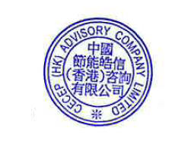 MMG has established comprehensive requirements to ensure safe work practices, protect individuals, and fulfill reporting obligations. The framework for recording SSHE data is consistent and well-documented, with clear guidelines provided. Las Bambas has implemented various strategies to manage and reduce work-related injuries, including establishing health and safety targets, implementing safety programs, and utilizing an injury data system. Both work-related and non-work-related injury cases are handled and reported to the clinic. Work-related injuries are recorded in SAP (for reporting purposes) however it was identified that several recordable work-related injuries that occured between February and August 2023 were just recorded in the system in December 2023. These injuries should have been recorded at the time that those events occured. The injury report and related documentation were meticulously reviewed. Interviews were conducted with key personnel who are responsible for managing injury-related information, providing insight and clarity. The TRIF and LTIP rates at Las Bambas were calculated accurately. Based on the assurance procedures that CECEPAC (HK) has performed and the evidence we have obtained, one finding was identified related to the work-related injuries not timely recorded in the system. Stamped on behalf of CECEPAC (HK) Date of issuance: 10 May 2024 CECEP (HK) Advisory Company Limited

独立审验声明
Overview
...

